TimeSeries
Time Series

What is it ? | Data which shows some relation or pattern w.r.t. time is called Time Series .

 | - weather forecasting
 | - sale forecasting
 | - stock market forecasting

Example | More examples are :
 |  | Sales of electronic equipment in India
 |  | - Diwali Sale
 |  | - Big Billion Sale
 |  | - New Year Sale

How it's related to Machine Learning :

 | Time series forecasting is the use of a model to predict future values based on previously observered values .
 | - Show me prediction of sales for next 10 years .
 | - Forecasting of sales on a monthly/weekly/quarterly/daily basis .

Some Terms
 | univariate analysis refers to the analysis of one variable. |  |  |  |  |  |  |  |  |  | multivariate analysis refers to the analysis of more than one variable
 | Timeseries is a univariate data .

 | Measure of central tandency,Measure of dispersion |  |  |  |  |  |  |  |  |  | Scatter plot
 | Frequency distribution
 | boxplots, histograms, density curves
 |  |  |  |  |  |  |  |  | interEx.head(10) |  |  |  | interEx.interpolate().head(10)
Sampling |  |  |  |  |  |  |  |  | 2017-09-18 08:00:00 40.0 |  |  |  | 2017-09-18 08:00:00 40.00
 | Fill Missing values by : |  |  |  |  |  |  |  | 2017-09-18 08:15:00 NaN |  |  |  | 2017-09-18 08:15:00 51.75
 |  | bfill |  |  |  |  |  |  | 2017-09-18 08:30:00 NaN |  |  |  | 2017-09-18 08:30:00 63.50
 |  | ffill |  |  |  |  |  |  | 2017-09-18 08:45:00 NaN |  |  |  | 2017-09-18 08:45:00 75.25
 |  | interpolation |  |  |  |  |  |  | 2017-09-18 09:00:00 87.0 |  |  |  | 2017-09-18 09:00:00 87.00
Components
 | Level
 |  | Average values of the series

 | Trend
 |  | Pattern in the data
 |  |  | - uptrend
 |  |  | - downtrend
 |  |  | - horizontal trend

 | Seasonality
 |  | Repeatative pattern for over an year . Ex : Sales of Refrigirator on every diwali every year jumps up . Throughout the year it won't happen .
 |  |  | - Sales of AC in Summer
 |  |  | - Sales of AC in Winter
 |  |  | - Sales of umbrella in Rain

 | Cyclic Pattern

 |  | Repeatative pattern over long period of time ( more than one year ) .
 |  |  | - every 5 year share market fluctuates due to elections

 | Noise
 |  | The variations which don't show any pattern .

Can all problems be solved in Timeseries Data ?

 | No , not all problems can be solved by Timeseries . But you can check this by Trend graph .
 | To do time series problem you need to make index of the date field .

 |  | Example : Python code snippet .

Concepts | To measure and answer this and which model to use , you can go ahead with some concepts .
 |  | How my dataset is seasonal or repeating itself . How are the lags between the intervals .

 | 1 ) Auto-correlations ( ACF )

 |  |  | correlation : correlation between 2 features/columns
 |  | ACF | auto-correlation : correlation between 2 data in different interval within same features . |  |  |  |  |  |  |  |  | seasonal pattern
 |  |  | correlation of data with itself with a one-time lag . Correlation between two data points that are one time step away
 |  |  | If the ACF plot is having an exponential decay, it means the time series is stationary

 |  | PACF | partial auto-correlation : |  |  |  |  |  |  |  |  | serial dependencies

 |  | Auto Regression |  | In Autoregression, you use the current value of the variable to predict its future values
 |  |  |  | The current and past time stamp values of the time series are used to predict the future values
 |  |  |  | If I am able to find the relationship of data to data or previous data in different time interval .

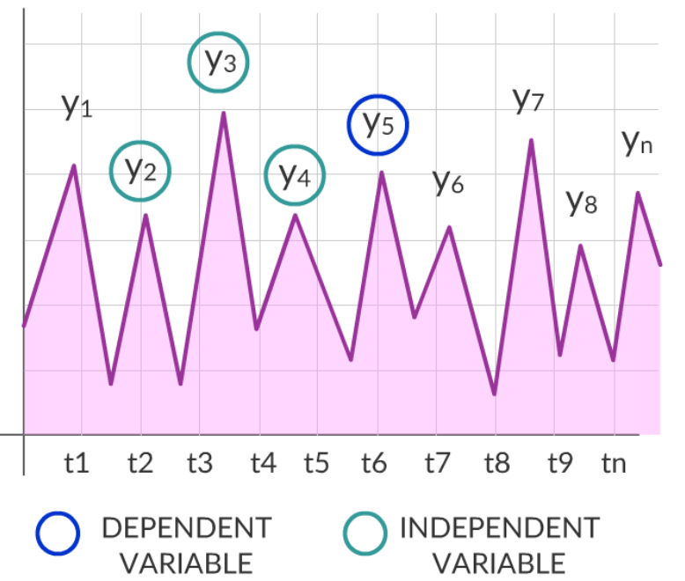
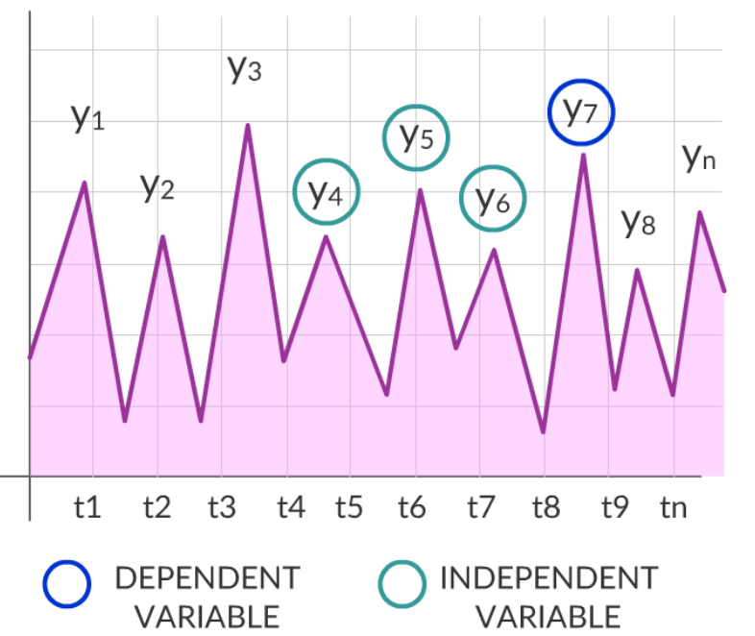

 |  | Integrated(I) : d
 |  |  | It says how many times the dataset was differenced

 |  | Moving Average
 |  |  | this is an average of the past errors

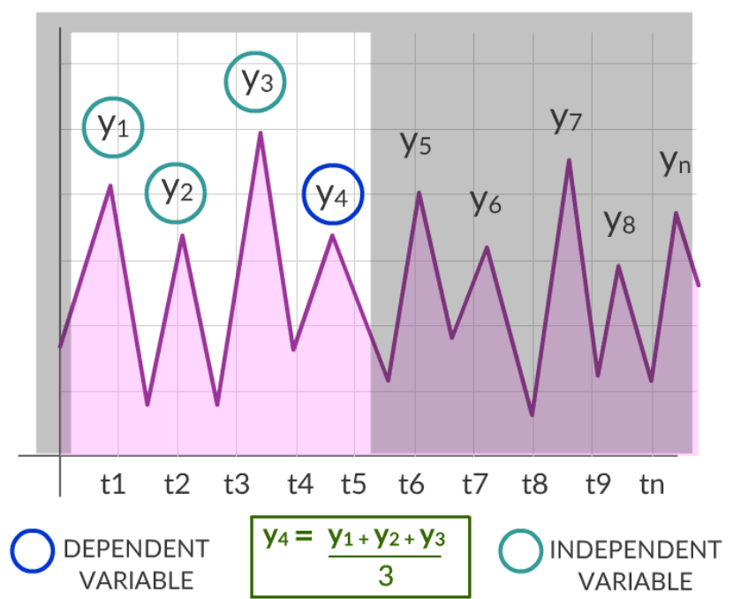
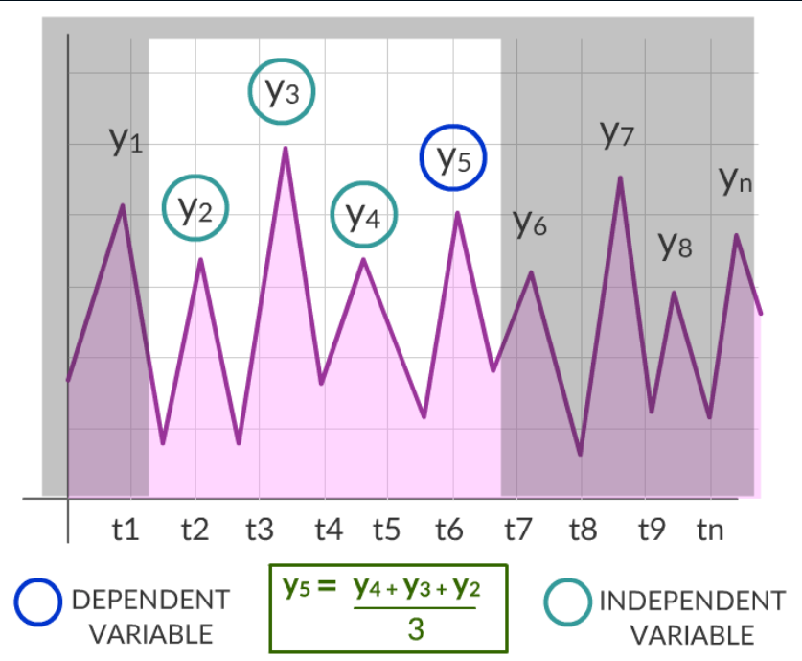

 |  |  |  | Moving average is another way to predict the time series data.
 |  |  |  | Here the dependent variable is expressed as a function of the previous values along with an average component.
 |  |  |  | Average component keeps moving along the time series.

 |  | Stationarity
 |  |  | If mean and standard deviation almost remains the same in different time interval .
 |  |  | A time series has stationarity if a shift in time doesn't cause a change in the shape of the distribution . A simpler definition is that there are no seasonal or trend components in the time series
 |  |  | Basic properties of the distribution like the mean , variance and covariance are constant over time
 |  |  | Stationary data refers to the time series data that mean and variance do not vary across time. The data is considered non-stationary if there is a strong trend or seasonality observed from the data
 |  |  | To make an irregular trend data to a proper trending form

 |  | Null Hypothesis (H0) : |  |  | time series is non-stationary
 |  | Alternate Hypothesis (H1): |  |  | time series is stationary

 |  |  | How to check for Stationarity
 |  |  |  | Visualize data and see the trend.
 |  |  |  | Prepare summary statistics and see how the data behaves .
 |  |  |  | We can check if the data is stationary or not - by Dicky Fuller test .

 |  | Lag | no. of intervals
 |  |  | Where your dataset is showing some gap or no data pattern .
 |  |  | Total length of data - 1

 |  |  |  | t1 | t2 | t3 | t4 | t5 | t6 |  |  |  |  |  | No Lags
 |  |  |  | same | no | no | no | no | same
 |  |  |  |  |  |  |  |  |  |  |  | t1 |  | t2 | t3 |  | t4 | t5
 |  |  |  | t1 | t2 | t3 | t4 | t5 | t6

 |  |  |  |  |  | Lags

 | 2 ) Partial Auto-correlations ( PACF )

 |  |  | Original Data |  |  | {21,22,21,20,19}
 |  |  | Lagged time series by 1 lag |  |  | {22,21,20,19}
 |  |  | Lag 1 correlation between |  |  | {21,22,21,20,19} & |  | {22,21,20,19}

 |  |  |  |  |  |  |  |  |  | ACF
 |  |  |  |  |  |  |  | PACF
 |  |  |  |  |  |  |  | Lag 1 defines the co-relation with the original , so we don't need lag2 or lag3 time series

Timeseries Modelling OR Forecasting

 | ARMA | Auto Regressive Moving Average
 |  |  | the impact of previous lags along with the residuals is considered for forecasting the future values of the time series

 |  | 1 ) | AR + MA
 |  |  | Auto Regressive |  | Regress the past values to find present or future values in the time series .
 |  |  | Moving Average |  | the residuals or errors of past time series

 |  | AR | MA |  | No differentiating term ( d ) - lag
 |  | p | q

 |  | How current value is linear regression/linear function of past values . Like y = mx + c
 |  |  |  |  |  |  |  |  | x = past data
 |  |  |  |  |  |  |  |  | y = prediction I am doing to do
 |  |  |  |  |  |  |  |  | New Data = Function of Old Data

 |  | t1 | t2 | t3 | t4 | t5

 | Say | 4 | 16 | 64 | 256 | 1024 |  | ( In reality we won't get this kind of data for sure )

 |  |  | t1 = 4*t +/ error
 |  |  | So y = mx+c
 |  |  |  | m = 4 , c = 0
 |  |  |  |  | So you need to find after how many lags/interval your value is repeating .
 |  |  |  |  | How next time is the function of previous one .

 | AR(1) or p =1 ? |  | Repeating at lag=1
 |  | t1 | t2 | t3 | t4 | t5

 |  |  | But we can have lag as 10/12/17..etc etc

 |  | So equation of AR(1) model will be , yt = a1 * (yt-1) + et

 |  |  |  | m = a1
 |  |  |  | c = noise / et

 | ARIMA | Auto Regressive Integrated Moving Average
 |  | We can use this when data is not repeating at some specific time

 |  | ARIMA(p,d,q) model
 |  | AR | I | MA
 |  | p | d | q

 |  | p | no. of auto regressive terms |  |  |  |  |  | AR: Autoregression. Model that uses the past values to predict the future values
 |  | d | no. of non-seasonal differences needed for stationarity |  |  |  |  |  | I : Integrated. Making use of difference to make the data stationary
 |  | q | no. of lagged forecast errors in the predictive equation |  |  |  |  |  | MA: Moving Average.A model that makes use of historical observations from a moving average model

 | So forecasting equation is :

 |  | d=0 | yt = Yt |  |  |  |  | All data are same |  |  |  |  |  |  |  | No difference
 |  | d=1 | yt = Yt - Yt-1 |  |  |  |  | Next data = Current Data - Previous Data
 |  | d=2 | yt = (Yt - Yt-1) - (Yt-1 - Yt-2) |  |  | = Yt - 2Yt-1 + Yt-2 |  | We can do the conversion if your data is a non-seasonal data .
 |  |  |  |  |  |  |  |  |  |  | 0 | 1 | 2 | 3 | 4
 |  |  |  |  |  |  |  |  | y2 = (y2-y1) - ( y1-y0)

 |  |  |  |  |  |  |  | It's NOT the difference of 2 periods dataset .
 |  |  |  |  |  |  |  |  |  |  | y2 - y0 and I shall get the next data , NO

Modelling the Data

 |  | AR | MA | Time Series
 |  | m | c | Linear Regression
 | Show corelation |  | Error Term
 |  |  |  |  | y = Const + (m1x1 + c) + (m2x2 + c2 )

 | Which composition of p,q value you would choose ?

 |  | Which ever composition of aic,bic,hqic gives lesser value , we shall choose that comibination/model .
 |  | Refer python code

 | Durbin-Watson test

 |  | To measure auto-corelation

 |  |  |  | 0 |  |  | 2 |  |  | 4 |  |  | auto corelation - comparision of value from it's earlier value
 |  |  |  | +ve autocorelation |  |  | Non auto-corelation |  |  | -ve autocorelation

Step in Time Series
 | 1 ) | Visualize the timeseries
 | 2 ) | Make data stationary
 |  |  | - Detrending
 |  |  | - Differencing
 |  |  | - Seasonality
 | 3 ) | Getting the optimal parameters through Auto Correlation and Partial Auto Correlation
 | 4 ) | Build Model (AR , MA , ARMA , ARIMA) using the parameters
 | 5 ) | Make predictions

Calculate Forecast Errors

 | 1 ) MAE ( Mean Absolute Error )

 |  | - Average absolute error value
 |  | - if this value is '0' , the fit ( forecast ) is perfect .

 | 2 ) MFE ( Mean Forecast Error ) ( Bias)

 |  | - Average error in the observations
 |  | - A large positive MFE means that the forecast is overshooting the actual observations.
 |  | - A value near '0' is ideal

 | The MAE is a better indicator of fit than the MFE

 | For MFE>0 , models tends to under-forecast . However , as long as the tracking signal is between -4 and 4 , we assume the model is working correctly . The measure of MAE being small would indicate a pretty good fit .

ARMA vs ARIMA

 |  | ARMA |  |  |  | ARIMA
 |  | Seasonal dataset |  |  |  | No seasonal dataset
 |  |  |  |  |  | d factor involved
 |  | takes stationary model |  |  |  | takes Non stationary model
 |  | ARMA(p,q) |  |  |  | ARIMA(p,0,q)

